Info
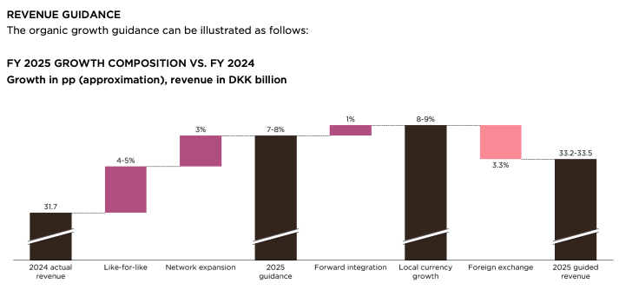
 | Guidance (Q225):
Produksjon i Thailand, tarfiff på 19% til USA

Gull og sølv-priser er viktig innsatsfaktor

Gulpris:
Sølvpris:

Update on CMD targets Q225
I 2023 kunngjorde Pandora at de skal ha EBIT-margin rundt 26-27% innen 26.
Siden CMD har det oppstått headwinds fra råvarer og FX på 380 basispoint.
Samtidig er det også 120 bp fra tariffer
I Q1225 nedjusterte de 26-27 til "Around 25%" noe igjen nedjsuterte i Q225 til "Around 24%"

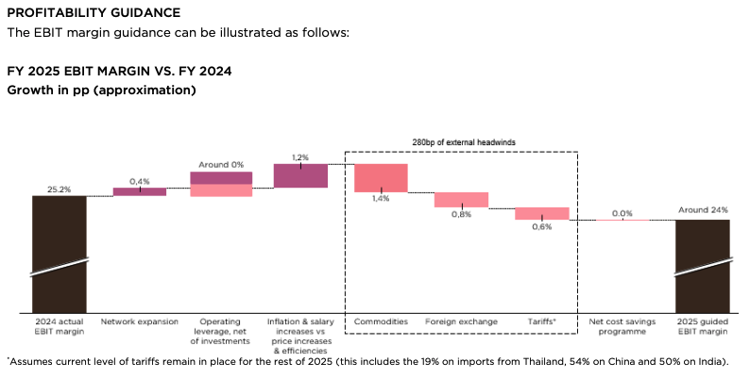
Kan denne bli enda mer nedjustert??

De har også et kostnadsprogram som heter "Silverstone" hvor besparelser er forevntet å sees fra Q126

